PSG
Part No. | SRAM | Flash | OPA | ADC | DAC | GPIO | UART | I2C | SPI | BPWM | Package
M091TC2AE | 8K | 64K | 2 | 14 | 4 | 22 | 1 | 2 | 1 | 6 | QFN33 4 x 4 mm2
M091TD2AE | 8K | 32K | 2 | 14 | 4 | 22 | 1 | 2 | 1 | 6 | QFN33 4 x 4 mm2
M091YC2AE | 8K | 64K | 4 | 16 | 4 | 29 | 1 | 2 | 1 | 6 | QFN48 5 x 5 mm2
M091YD2AE | 8K | 32K | 4 | 16 | 4 | 29 | 1 | 2 | 1 | 6 | QFN48 5 x 5 mm2

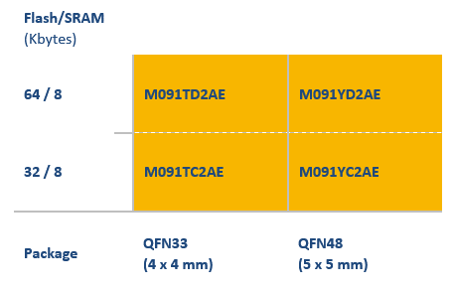
M091x application requirement
Interface | Sets | GPIOs
PWM | x2 | 2
ADC | x2 | 2
GPIO | x3 | 3
UART | x1 | 2
DAC* | x2 | 2
ICE | x1 | 1

MCP_Bonding
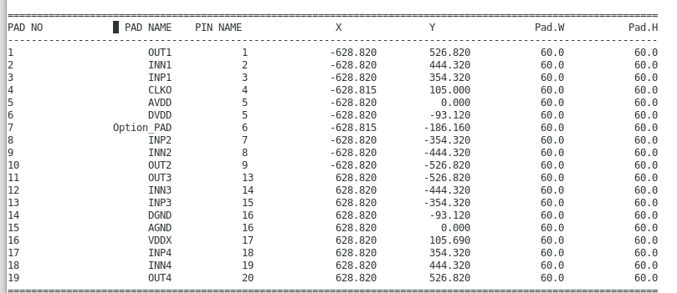
FA5D92 pads information:
Pad# | Pad name | Pad name | Pad#
1 | OUT1 | OUT4 | 19
2 | INN1 | INN4 | 18
3 | INP1 | INP4 | 17
4 | CLK0 | VDDX | 16
5 | AVDD | AGND | 15
6 | DVDD | DGND | 14
7 | OP
8 | INP2 | INP3 | 13
9 | INN2 | INN3 | 12
10 | OUT2 | OUT3 | 11

FA5D92 TSSOP14 pins information:

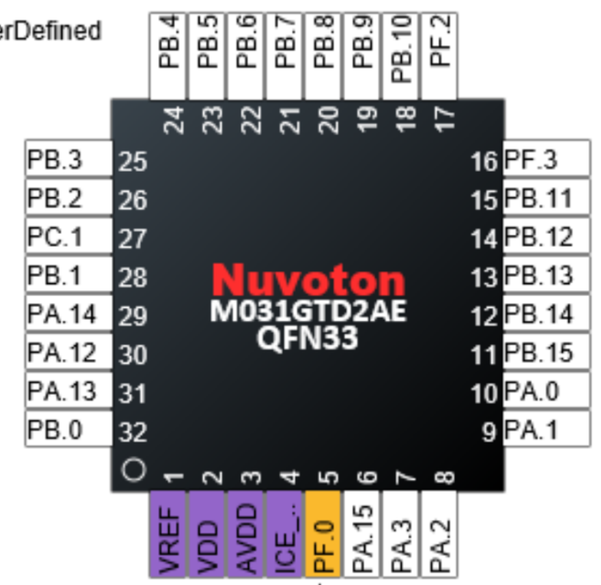

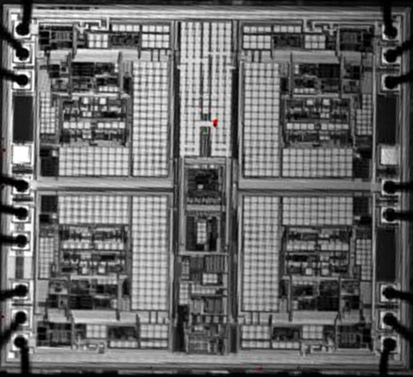
M031G pins information:
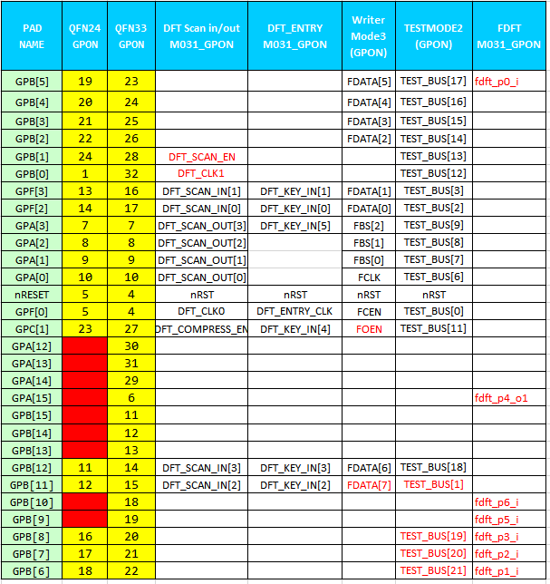

QFN33
1.不影響測試介面
2.滿足應用需求
 | PWMx2
 | ADCx2
 | GPIOx3
 | UARTx1
 | DACx4
3.最多出3組OPA
4.P/G share with MCU
*OPA 位置分散在三邊
*ADC位在PBx

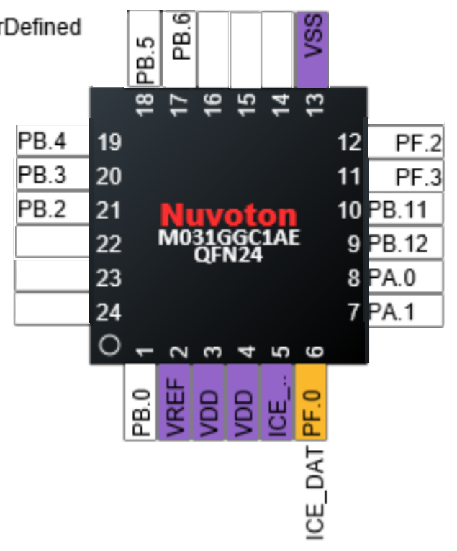
QFN24
1.影響測試介面 | PWMx2
2.滿足應用需求 | ADCx2
 | GPIOx3
 | UARTx1
 | DACx2

3.最多出2組OPA
4.P/G share with MCU

